Sheet1
RAA223011 Component Selection Tool

Instructions:
Enter values in the yellow highlighted cells
Do not change the parameters in red
Calculation results for specs & components are in green cells

System Parameters
Item | Value | Units | Description
Nominal input voltage AC RMS | 230 | Volt
AC frequency at norminal input voltage | 50 | Hz
Minimum input voltage | 100 | Volt
AC frequency at the minimum input volatge | 60 | Hz
Input voltage after rectification | 325.22 | Volt | Peak value derived from RMS for AC. Set it equal to AC input cell (above) for DC input
Output voltage | 5 | Volt | Output Voltage
Max output current | 0.025 | Amp
switching inductor max peak current | 0.506 | Amp | RAA223011: 0.52; RAA223012: 0.25
Maximum load step | 0.015 | Amp | fill 0 if you don’t have a step load.

IC Internal Parameters (do not update unless advised otherwise)
VFB | 2.5 | V | Internal to IC
Toffmin (constant off time) | 30 | ms | IC parameter, to make 30KHz operation in heavy load; 011: 30; 012: 19
standby mode efficiency | 0.5 | 50 | Estimated effiency, this is estimated number
VCC Quiescent current | 75 | mA | IC parameter, on EC table
Minimum Pk inductor current | 132.0 | mA | This number is an estimate, could vary from part to part due to various propagation delay
VCC current during 30kHz switching | 130 | mA | IC internal parameter

Calculations

No-load output voltage rise allowed | 0.8 | Volt | This along with "standby power" determines the no-load regulation point
Standby Power Requirement | 50 | mWatt | This and "Ripple on CFB1" affect the zero load regulation point.
D2 and D3 mismatch factor at full load | 0.3 | Volt | This affects the full load regulation point. Use 0.4V for recommended diodes at 300mA
Choose RFB2 | 100 | kW | Select this value. 100kOhms is a reasonable value.
C1 (minimum value) | 0.22 | uF | the minimum total input buffer capacitance if a half-wave rectification is used
 | 0.10 | uF | the minimum total input buffer capacitance if a full-wave bridge rectification is used
RFB1 | 112.0000 | KW | Calculated component value
L1 (minimum value) | 0.156 | mH | Calculated component value
Ton time to reach DCM pk limit | 0.40583098625 | ms
Toff time from DCM pk to zero | 26.396870669 | ms
L1 selected value | 1 | mH | selected inductor
Dummy resistor R0 (minimum) | 1.02 | KW | Calculated component value
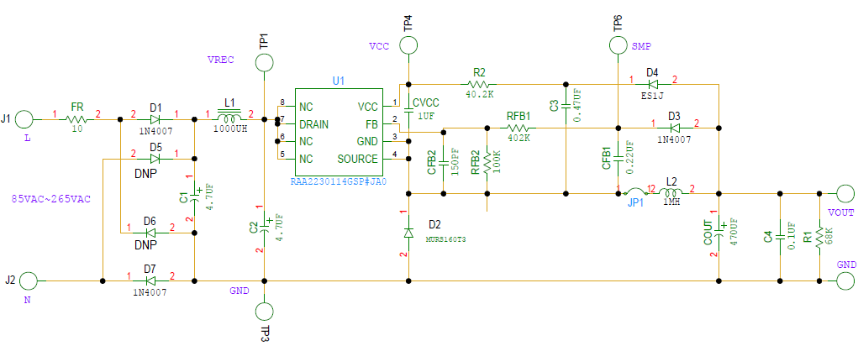
Switching period at no load | 0.354 | ms | 0.348
CFB1 (minimum) | 0.010 | mF | Calculated component value
CFB1 (selected) | 0.01 | µF | Selected value
COUT, Minimum Cout | 6 | mF | Calculated component value
 | 7818 | uF | maximum Cout
Vcc biasing resistor when Vo>5.9V | -6.9 | kohm | Calculated component value;
when 4.5<Vo<5.9V | 0 | kohm
when Vo <4.5V | DNP |  | DNP: Do Not Populate
Output voltage at no load | 5.8 | Volt

D1, D3 | 1N4007
D2 | MURS160T3
D4 | 1N4937
CVCC | 1 | mF | can be 0.47uF

Formulas used in the calcuations

1. Sampling circuit resistor divider
$R_{FB1}=(\frac{V_{OUT}+0.4}{V_{FB}}−1)×R_{FB2}$
$V_{FB}=2.5V$

$R_{O}={V_{OUT}}/{\left(\frac{P_{IN_{STBY}}η}{V_{OUT}}−I_{q}−\frac{VFB}{RFB2}\right)}$ where η = 0.5;

2. Buck Inductor value
$L≥\frac{V_{OUT}T_{OFFMIN}}{2(I_{PKMAX}−I_{OUTMAX})}$ If the inductor on board > the calculated value, you don’t have to change the inductor.

$T=\frac{LI_{PKMIN}^{2}}{2V_{OUT}(\frac{V_{OUT}}{R_{O}}+I_{q}+\frac{V_{FB}}{R_{FB2}})}$

$$CFB=\frac{VCFB∗T}{∆VFB∗(RFB1+RFB2)}$$

